Sheet1
Sarnia to Tobermory | Walk km | Run KM | Cycle KM | Total to date | %
2022-02-01
2022-02-02
2022-02-03
2022-02-04
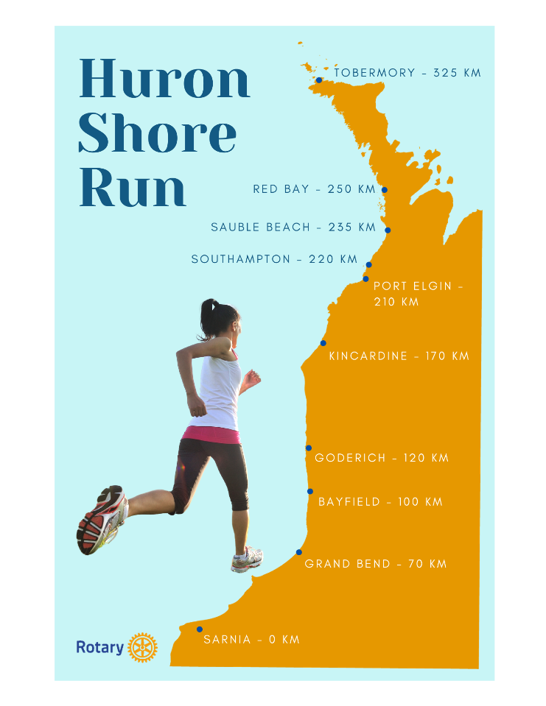
2022-02-05
2022-02-06
2022-02-07
2022-02-08
2022-02-09
2022-02-10
2022-02-11
2022-02-12
2022-02-13
2022-02-14
2022-02-15
2022-02-16
2022-02-17
2022-02-18
2022-02-19
2022-02-20
2022-02-21
2022-02-22
2022-02-23
2022-02-24
2022-02-25
2022-02-26
2022-02-27
2022-02-28
2022-03-01
2022-03-02
2022-03-03
2022-03-04
2022-03-05
2022-03-06
2022-03-07
2022-03-08
2022-03-09
2022-03-10
2022-03-11
2022-03-12
2022-03-13
2022-03-14
2022-03-15
2022-03-16
2022-03-17
2022-03-18
2022-03-19
2022-03-20
2022-03-21
2022-03-22
2022-03-23
2022-03-24
2022-03-25
2022-03-26
2022-03-27
2022-03-28
2022-03-29
2022-03-30
2022-03-31
2022-04-01
2022-04-02
2022-04-03
2022-04-04
2022-04-05
2022-04-06
2022-04-07
2022-04-08
2022-04-09
2022-04-10
2022-04-11
2022-04-12
2022-04-13
2022-04-14
2022-04-15
2022-04-16
2022-04-17
2022-04-18
2022-04-19
2022-04-20
2022-04-21
2022-04-22
2022-04-23
2022-04-24
2022-04-25
2022-04-26
2022-04-27
2022-04-28
2022-04-29
2022-04-30
2022-05-01
2022-05-02
2022-05-03
2022-05-04
2022-05-05
2022-05-06
2022-05-07
2022-05-08
2022-05-09
2022-05-10
2022-05-11
2022-05-12
2022-05-13
2022-05-14
2022-05-15
2022-05-16
2022-05-17
2022-05-18
2022-05-19
2022-05-20
2022-05-21
2022-05-22
2022-05-23
2022-05-24
2022-05-25
2022-05-26
2022-05-27
2022-05-28
2022-05-29
2022-05-30
2022-05-31
2022-06-01
2022-06-02
2022-06-03

